novax
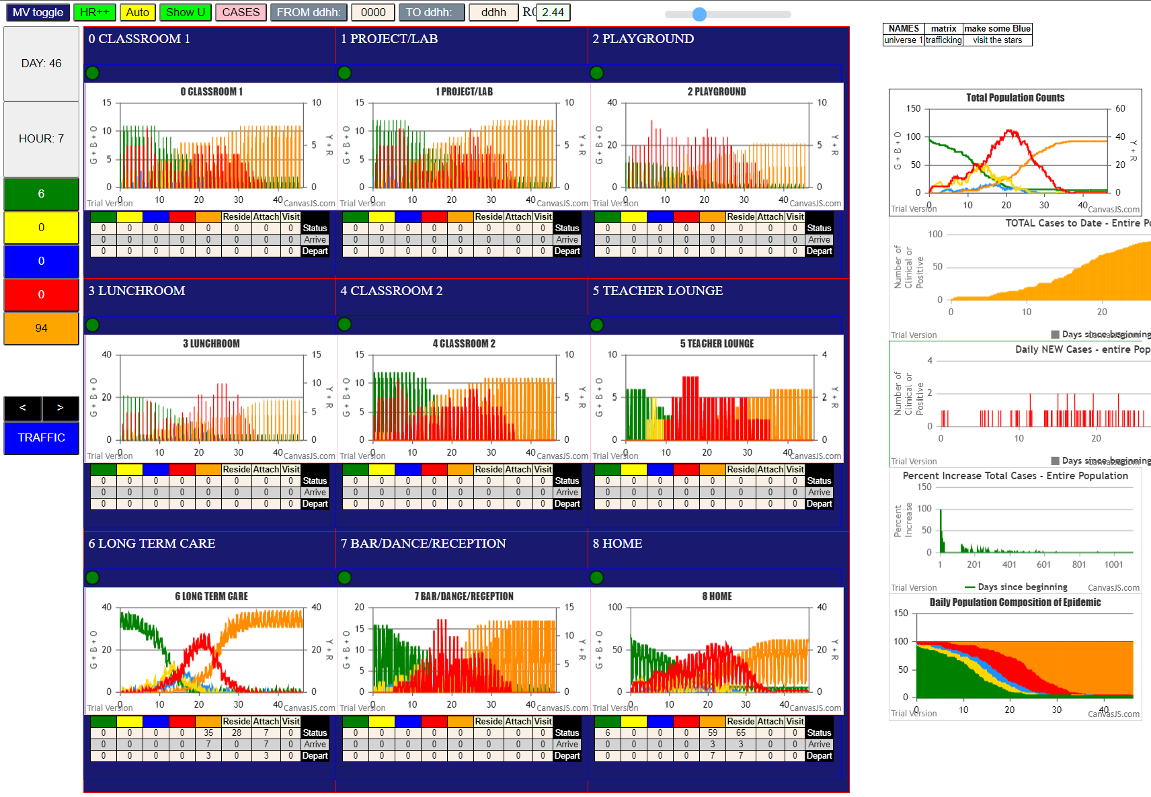
R0 = 2.44
File {name: "VL5.csv", lastModified: 1602824104000, lastModifiedDate: Thu Oct 15 2020 21:55:04 GMT-0700 (Pacific Daylight Time), webkitRelativePath: "", size: 144, …}
simulation.js:2052 5I i:famKey 3:F06 infected by red j:famKey 13:F06 at gen 3 in U8
simulation.js:2036 6I j:famKey 92:F03 infected by blue i:famKey 11:F03 at gen 8 in Univ8
simulation.js:2052 7I i:famKey 76:-1 infected by red j:famKey 12:F04 at gen 16 in U6
simulation.js:2036 7I j:famKey 15:F07 infected by red i:famKey 14:F07 at gen 17 in Univ8
simulation.js:2036 9I j:famKey 94:F07 infected by red i:famKey 14:F07 at gen 26 in Univ8
simulation.js:2036 10I j:famKey 17:F16 infected by red i:famKey 14:F07 at gen 35 in Univ1
simulation.js:2052 11I i:famKey 44:F06 infected by red j:famKey 13:F06 at gen 44 in U8
2simulation.js:2036 12I j:famKey 16:F16 infected by red i:famKey 11:F03 at gen 63 in Univ0
simulation.js:2052 13I i:famKey 4:F07 infected by red j:famKey 14:F07 at gen 68 in U8
simulation.js:2052 14I i:famKey 41:F02 infected by red j:famKey 10:F02 at gen 98 in U8
simulation.js:2036 15I j:famKey 87:-1 infected by blue i:famKey 76:-1 at gen 104 in Univ6
simulation.js:2036 16I j:famKey 58:F14 infected by blue i:famKey 76:-1 at gen 114 in Univ6
simulation.js:2036 16I j:famKey 33:F06 infected by red i:famKey 13:F06 at gen 115 in Univ8
simulation.js:2036 18I j:famKey 52:F07 infected by blue i:famKey 15:F07 at gen 119 in Univ8
simulation.js:2036 19I j:famKey 53:F08 infected by blue i:famKey 76:-1 at gen 128 in Univ6
4simulation.js:2052 20I i:famKey 71:F18 infected by red j:famKey 76:-1 at gen 142 in U6
simulation.js:2036 21I j:famKey 57:F13 infected by red i:famKey 92:F03 at gen 156 in Univ7
simulation.js:2036 22I j:famKey 35:F18 infected by red i:famKey 13:F06 at gen 158 in Univ1
simulation.js:2052 23I i:famKey 45:F06 infected by red j:famKey 3:F06 at gen 160 in U8
simulation.js:2036 24I j:famKey 56:F12 infected by red i:famKey 76:-1 at gen 162 in Univ6
simulation.js:2052 24I i:famKey 63:F02 infected by red j:famKey 10:F02 at gen 162 in U6
simulation.js:2052 26I i:famKey 6:F09 infected by red j:famKey 16:F16 at gen 202 in U2
simulation.js:2036 27I j:famKey 37:F11 infected by red i:famKey 92:F03 at gen 204 in Univ7
simulation.js:2036 28I j:famKey 55:F11 infected by blue i:famKey 87:-1 at gen 208 in Univ6
simulation.js:2052 28I i:famKey 69:F14 infected by red j:famKey 92:F03 at gen 209 in U6
simulation.js:2052 29I i:famKey 68:F14 infected by red j:famKey 10:F02 at gen 210 in U6
simulation.js:2052 30I i:famKey 79:-1 infected by blue j:famKey 87:-1 at gen 211 in U6
simulation.js:2052 32I i:famKey 31:F02 infected by blue j:famKey 33:F06 at gen 228 in U3
simulation.js:2036 33I j:famKey 96:F09 infected by red i:famKey 94:F07 at gen 230 in Univ7
simulation.js:2052 34I i:famKey 8:F16 infected by red j:famKey 16:F16 at gen 240 in U8
simulation.js:2036 35I j:famKey 66:F06 infected by red i:famKey 87:-1 at gen 247 in Univ6
simulation.js:2036 35I j:famKey 67:F13 infected by red i:famKey 76:-1 at gen 248 in Univ6
simulation.js:2036 35I j:famKey 54:F09 infected by red i:famKey 53:F08 at gen 248 in Univ6
simulation.js:2036 38I j:famKey 23:F03 infected by red i:famKey 4:F07 at gen 251 in Univ3
simulation.js:2036 39I j:famKey 65:F03 infected by blue i:famKey 71:F18 at gen 259 in Univ6
simulation.js:2036 40I j:famKey 93:F05 infected by red i:famKey 53:F08 at gen 262 in Univ7
2simulation.js:2036 41I j:famKey 81:-1 infected by blue i:famKey 71:F18 at gen 265 in Univ6
simulation.js:2052 42I i:famKey 80:-1 infected by red j:famKey 87:-1 at gen 267 in U6
simulation.js:2052 42I i:famKey 86:-1 infected by blue j:famKey 63:F02 at gen 268 in U6
simulation.js:2052 44I i:famKey 77:-1 infected by red j:famKey 87:-1 at gen 272 in U6
simulation.js:2052 44I i:famKey 75:-1 infected by red j:famKey 52:F07 at gen 273 in U6
simulation.js:2036 46I j:famKey 19:F18 infected by red i:famKey 16:F16 at gen 276 in Univ3
simulation.js:2036 47I j:famKey 64:F03 infected by red i:famKey 87:-1 at gen 279 in Univ6
simulation.js:2036 48I j:famKey 90:F00 infected by red i:famKey 53:F08 at gen 286 in Univ7
simulation.js:2052 49I i:famKey 5:F08 infected by red j:famKey 16:F16 at gen 298 in U2
simulation.js:2036 50I j:famKey 48:F00 infected by red i:famKey 87:-1 at gen 300 in Univ6
simulation.js:2052 50I i:famKey 91:F01 infected by red j:famKey 57:F13 at gen 300 in U7
simulation.js:2052 52I i:famKey 83:-1 infected by red j:famKey 57:F13 at gen 304 in U6
simulation.js:2052 52I i:famKey 85:-1 infected by red j:famKey 58:F14 at gen 305 in U6
simulation.js:2036 53I j:famKey 84:-1 infected by blue i:famKey 69:F14 at gen 306 in Univ6
simulation.js:2052 54I i:famKey 73:-1 infected by blue j:famKey 79:-1 at gen 307 in U6
simulation.js:2052 56I i:famKey 72:-1 infected by red j:famKey 53:F08 at gen 319 in U6
simulation.js:2036 57I j:famKey 9:F17 infected by red i:famKey 4:F07 at gen 325 in Univ4
simulation.js:2052 57I i:famKey 89:-1 infected by red j:famKey 53:F08 at gen 325 in U6
simulation.js:2036 57I j:famKey 46:F10 infected by red i:famKey 52:F07 at gen 325 in Univ6
simulation.js:2052 57I i:famKey 62:F01 infected by red j:famKey 52:F07 at gen 325 in U6
simulation.js:2036 61I j:famKey 21:F01 infected by red i:famKey 6:F09 at gen 329 in Univ6
simulation.js:2052 62I i:famKey 88:-1 infected by red j:famKey 52:F07 at gen 343 in U6
simulation.js:2036 62I j:famKey 25:F06 infected by red i:famKey 45:F06 at gen 343 in Univ8
simulation.js:2036 64I j:famKey 26:F08 infected by red i:famKey 6:F09 at gen 347 in Univ3
simulation.js:2052 64I i:famKey 74:-1 infected by blue j:famKey 67:F13 at gen 347 in U6
simulation.js:2036 64I j:famKey 18:F17 infected by red i:famKey 16:F16 at gen 348 in Univ3
simulation.js:2036 67I j:famKey 49:F02 infected by red i:famKey 87:-1 at gen 350 in Univ6
simulation.js:2036 68I j:famKey 32:F05 infected by red i:famKey 87:-1 at gen 354 in Univ6
simulation.js:2036 69I j:famKey 50:F03 infected by blue i:famKey 65:F03 at gen 369 in Univ6
simulation.js:2036 70I j:famKey 78:-1 infected by red i:famKey 71:F18 at gen 372 in Univ6
simulation.js:2036 70I j:famKey 99:F17 infected by blue i:famKey 75:-1 at gen 373 in Univ6
simulation.js:2052 72I i:famKey 38:F12 infected by red j:famKey 57:F13 at gen 394 in U7
simulation.js:2036 73I j:famKey 82:-1 infected by red i:famKey 69:F14 at gen 396 in Univ6
simulation.js:2052 73I i:famKey 36:F10 infected by red j:famKey 67:F13 at gen 396 in U7
simulation.js:2036 75I j:famKey 61:F17 infected by red i:famKey 63:F02 at gen 409 in Univ6
simulation.js:2036 76I j:famKey 95:F08 infected by red i:famKey 75:-1 at gen 417 in Univ6
simulation.js:2052 76I i:famKey 70:F15 infected by red j:famKey 63:F02 at gen 418 in U6
simulation.js:2036 78I j:famKey 28:F10 infected by blue i:famKey 46:F10 at gen 424 in Univ8
simulation.js:2052 78I i:famKey 30:F01 infected by red j:famKey 93:F05 at gen 425 in U6
simulation.js:2036 80I j:famKey 51:F06 infected by red i:famKey 80:-1 at gen 444 in Univ6
simulation.js:2052 80I i:famKey 1:F05 infected by red j:famKey 6:F09 at gen 445 in U4
2simulation.js:2052 81I i:famKey 2:F00 infected by red j:famKey 8:F16 at gen 446 in U0
simulation.js:2036 83I j:famKey 59:F15 infected by red i:famKey 77:-1 at gen 455 in Univ6
simulation.js:2036 84I j:famKey 60:F16 infected by red i:famKey 86:-1 at gen 461 in Univ6
simulation.js:2036 85I j:famKey 7:F10 infected by red i:famKey 46:F10 at gen 464 in Univ8
simulation.js:2052 86I i:famKey 39:F13 infected by blue j:famKey 99:F17 at gen 473 in U7
simulation.js:2052 87I i:famKey 97:F10 infected by blue j:famKey 99:F17 at gen 476 in U7
simulation.js:2036 88I j:famKey 29:F17 infected by red i:famKey 23:F03 at gen 491 in Univ3
simulation.js:2052 89I i:famKey 24:F05 infected by red j:famKey 93:F05 at gen 504 in U8
simulation.js:2036 90I j:famKey 98:F16 infected by red i:famKey 49:F02 at gen 545 in Univ7
simulation.js:2052 91I i:famKey 34:F15 infected by red j:famKey 61:F17 at gen 550 in U7
simulation.js:2036 92I j:famKey 27:F09 infected by red i:famKey 9:F17 at gen 563 in Univ3
simulation.js:2052 93I i:famKey 47:F15 infected by red j:famKey 34:F15 at gen

